Ethnicity and Race
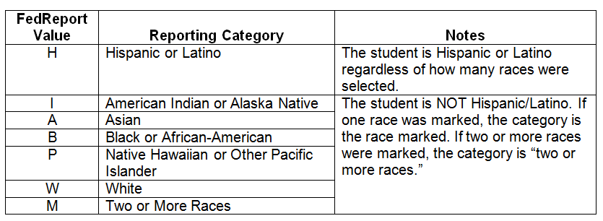
These were the data collected from South Carolina's student information system (PowerSchool):

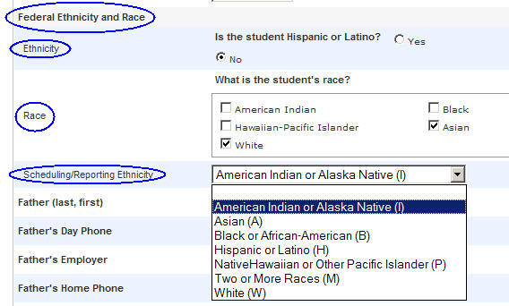

Excerpts from
"Final Guidance on Maintaining, Collecting, and Reporting Racial and Ethnic Data to the U.S. Department of Education"
by the U.S. Department of Education
Reference: http://www2.ed.gov/legislation/FedRegister/other/2007-4/101907c.html
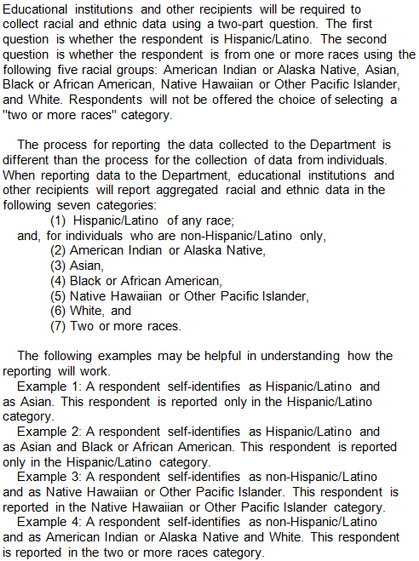

Notes on how the SCDE calculated the statistics for the racial and ethnic categories:

* Demographic statistics were based on First-Day-of-Testing data.
* This data contained the student's race and ethnicity information from PowerSchool.
* These six fields contain the answer to the Latino question and indicate which races apply to the student.

